Intro
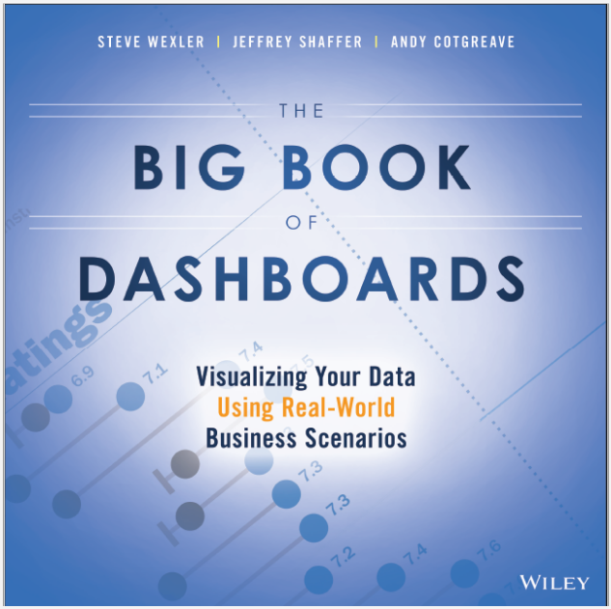
 | The dashboards in this workbook come from The Big Book of Dashboards by Steve Wexler, Jeffrey Shaffer, and Andy Cotgreave.

http://bigbookofdashboards.com/

Course Metric Dashboard
Course Metrics

Students
S | 42 | 52
F | 16 | 52
S | 71 | 52
US | 14 | 52
F | 27 | 52
S | 69 | 52
S | 55 | 52
US | 28 | 52
F | 27 | 52
F | 61 | 52
S | 46 | 52
S | 80 | 52
US | 43 | 52
F | 61 | 52
F | 69 | 52
S | 62 | 52
S | 80 | 52
US | 50 | 52
F | 62 | 52
F | 65 | 52
F | 69 | 52
Enrollments
'12 | 58
'13 | 112
'14 | 240
'15 | 299
'16 | 388
Classes
'12 | 2
'13 | 3
'14 | 5
'15 | 5
'16 | 6
Ratings
S | 6.6
F | 6.5
S | 6.7
US | 7.7
F | 6.9
S | 6.4
S | 6.7
US | 7.5
F | 7.3
F | 7
S | 6.4
S | 7
US | 6.8
F | 7.3
F | 7.7

1097 | 687 | 21 | 7.7 | of | 8
Total Students in five years | Total Students in 2015-2016 | Total Classes in five years | Most recent instructor rating (out of 8.0)
Questions
 | The instructor was well organized |  | The instructor communicated clearly |  | The instructor interacted well with students |  | The Instructor graded fairly |  | I developed specific skills and competencies |  | Overall, this instructor was excellent |  | Overall, this was an excellent course |  | question label |  | The instructor was well organized |  | The instructor communicated clearly |  | The instructor interacted well with students |  | 7.5
7.5 | 3 | 7.6 | 5 | 7.7 | 2 | 7.6 | 4 | 7.2 | 7 | 7.7 | 1 | 7.4 | 6 | 3.5 | 3 | 7.3 | 10 | 7.4 | 12 | 7.3 | 9 | 7.5 | 11
6.8 | 3 | 6.5 | 5 | 6.6 | 2 | 6.8 | 4 | 6.3 | 7 | 6.4 | 1 | 5.9 | 6 | 3.5 | 5 | 7 | 10 | 6.7 | 12 | 6.8 | 9 | 7.1 | 11
7 | 3 | 6.9 | 5 | 7 | 2 | 7.1 | 4 | 6.5 | 7 | 6.8 | 1 | 6.4 | 6 | 3.5 | 2 | 6.9 | 10 | 6.7 | 12 | 6.8 | 9 | 7 | 11
 |  |  |  |  |  |  |  |  |  |  |  |  |  | 3.5 | 4
 |  |  |  |  |  |  |  |  |  |  |  |  |  | 3.5 | 7
 |  |  |  |  |  |  |  |  |  |  |  |  |  | 3.5 | 1
 |  |  |  |  |  |  |  |  |  |  |  |  |  | 3.5 | 6
 |  |  |  |  |  |  |  |  |  |  |  |  |  | 3.5 | 10
 |  |  |  |  |  |  |  |  |  |  |  |  |  | 3.5 | 12
 |  |  |  |  |  |  |  |  |  |  |  |  |  | 3.5 | 9
 |  |  |  |  |  |  |  |  |  |  |  |  |  | 3.5 | 11
 |  |  |  |  |  |  |  |  |  |  |  |  |  | 3.5 | 14
 |  |  |  |  |  |  |  |  |  |  |  |  |  | 3.5 | 8
 |  |  |  |  |  |  |  |  |  |  |  |  |  | 3.5 | 13

Course Metrics Dashboard created by Jeffrey A. Shaffer. Data from University of Cincinnati Course Evaluations. Blue indicates the 2 most recent rating periods.

